USPS Domestic Rates Dec 1 2025
Casestry Domestic USPS Shipping Rates as of Dec 1, 2025
Casestry Default Tracked Domestic Service for packages is USPS Ground Advantage tracked
(Note: rates may vary based on future rate changes and/or surcharges imposed by USPS)
*IMPORTANT: USPS has impoased a holiday season surcharge that will last until midnight Jan 18, 2026 Central time. The pricing chart below (including Average) does NOT include the surcharge fee, which is shown in its own rows (red)

 | USPS Zone (see map) |  |  |  |  |  |  |  |  |  |  | Product Weights (oz)
Weight Not Over (oz) | 1 | 2 | 3 | 4 | 5 | 6 | 7 | 8 | Average | Product | Style | Lowest | Highest | Average
GROUND ADVANTAGE 4 | $4.11 | $4.17 | $4.19 | $4.30 | $4.38 | $4.51 | $4.60 | $4.80 | $4.38 | Phone Case | MagSafe | 1.73 | 2.65 | 2.30
8 | $4.12 | $4.18 | $4.23 | $4.34 | $4.48 | $4.66 | $4.76 | $4.98 | $4.47 | Phone Case | Slim | 0.88 | 1.37 | 1.09
Surcharge | $0.30 | $0.30 | $0.30 | $0.30 | $0.35 | $0.35 | $0.35 | $0.35 |  | Phone Case | Tough | 1.59 | 2.51 | 2.13
PRIORITY 1 | $7.15 | $7.34 | $7.49 | $7.70 | $9.08 | $9.63 | $10.05 | $10.67 | $8.64 | Phone Case | Clear | 1.10 | 1.59 | 1.39
2 | $7.60 | $7.86 | $8.17 | $8.48 | $10.25 | $11.69 | $12.93 | $14.05 | $10.13 | Watch Band | Textured | 1.10 | 1.20 | 1.15
3 | $8.88 | $9.21 | $9.79 | $10.28 | $12.52 | $15.06 | $17.30 | $19.37 | $12.80 | AirPod Case | Slim | 0.73 | 1.55 | 0.94
4 | $9.27 | $9.65 | $10.40 | $11.03 | $13.64 | $17.30 | $20.59 | $22.98 | $14.36 | Kindle Cover | Textured | 6.35 | 6.35 | 6.35
5 | $9.54 | $9.96 | $10.82 | $11.56 | $14.82 | $19.38 | $23.53 | $26.40 | $15.75
6 | $10.13 | $10.56 | $11.56 | $12.37 | $16.09 | $21.63 | $26.72 | $30.07 | $17.39
7 | $10.44 | $10.91 | $12.03 | $12.95 | $17.10 | $23.24 | $28.86 | $32.54 | $18.51
8 | $10.72 | $11.19 | $12.41 | $13.42 | $17.99 | $24.65 | $30.78 | $34.74 | $19.49
Surcharge | $0.30 | $0.30 | $0.30 | $0.30 | $0.70 | $0.70 | $0.70 | $0.70
EXPRESS 1 | $20.59 | $20.97 | $22.46 | $25.47 | $31.76 | $34.37 | $36.62 | $39.28 | $28.94
2 | $21.91 | $22.71 | $25.33 | $30.00 | $38.03 | $41.30 | $43.93 | $46.70 | $33.74
3 | $23.60 | $24.85 | $28.74 | $35.42 | $45.14 | $49.25 | $52.23 | $55.18 | $39.30
4 | $25.31 | $27.07 | $32.36 | $41.14 | $52.72 | $57.63 | $61.07 | $64.13 | $45.18
5 | $27.00 | $29.35 | $36.15 | $47.24 | $60.64 | $66.50 | $70.33 | $73.57 | $51.35
6 | $29.50 | $32.01 | $39.54 | $52.25 | $66.50 | $72.52 | $76.84 | $80.36 | $56.19
7 | $32.34 | $35.11 | $43.48 | $57.91 | $72.96 | $79.28 | $84.12 | $88.02 | $61.65
8 | $35.19 | $38.12 | $47.37 | $63.59 | $79.44 | $85.95 | $91.39 | $95.56 | $67.08
Surcharge | $1.00 | $1.00 | $1.00 | $1.00 | $1.00 | $1.00 | $1.00 | $1.00
USPS Zone Map (Originating from Herkimer, NY)
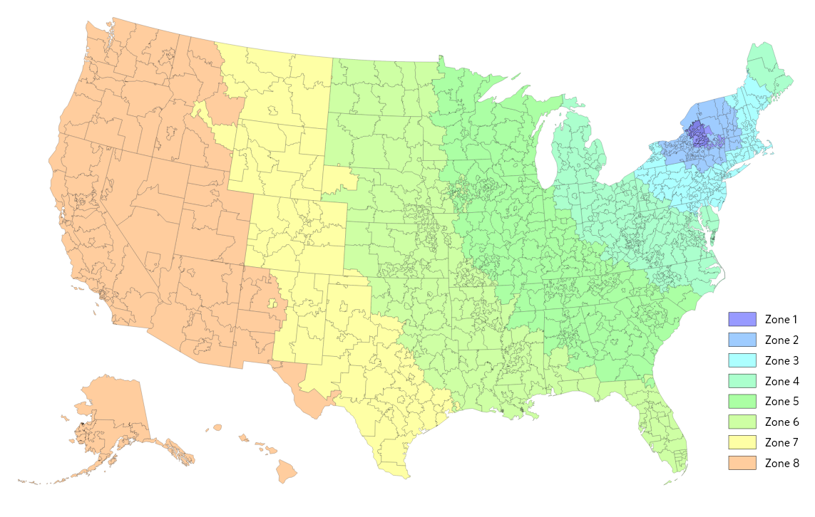

UPS Domestic & Intl Rates
UPS shipments are VERY expensive compared to USPS, Asendia, and UPSMI, so we highly NOT recommend using it, with one exception: bulk orders with 25+ qty.
In addition, UPS will almost always NOT deliver to PO Box addresses (which USPS will always deliver to).

To get a general idea of how expensive UPS shipments are, please go to:
https://wwwapps.ups.com/ctc/request?loc=en_US

Select Package. Use the following values below for Ship From:
City | Herkimer
Zip Code | 13350
Residential | Leave unchecked

Proceed by clicking Update. Once service results load, make sure Simple Rate is OFF, as we do not use UPS Flat Rate boxes to ship orders (they are incompatible with our autobagger and automation processes).

Make sure My Packaging is selected, and enter the dimensions. For 1-3 phone cases, the dimensions of our polybag are 8"x4"x1".

For Package Weight, a slim case is generally 1oz or less, and tough/MagSafe cases are generally 2.4oz or less, depending on model/size.

Scroll to the bottom and click Update.

