USPS Domestic Rates Jan 2 2023
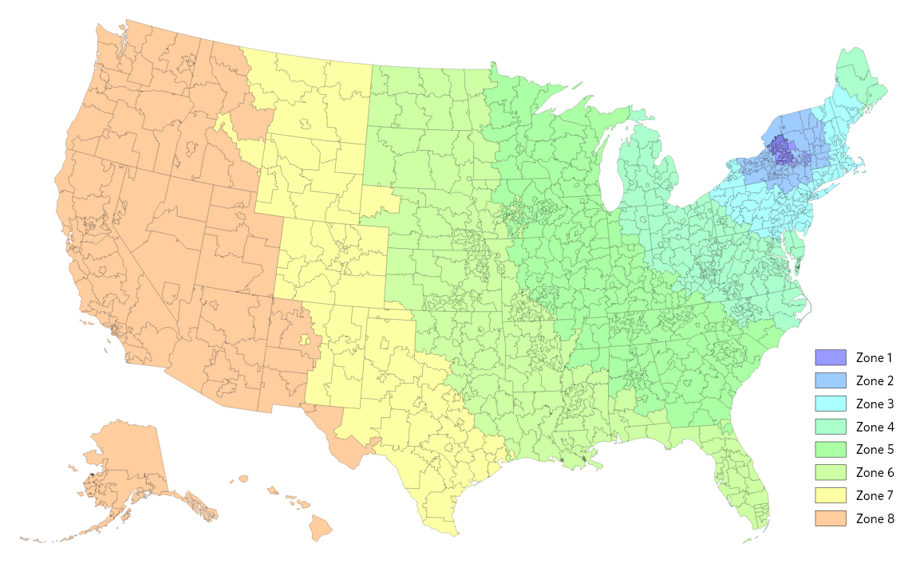
Casestry Domestic USPS First Class Shipping Rates as of Jan 2, 2023
Casestry Default Tracked Domestic Service for small packages is USPS First Class tracked - Larger packages over 1lb ship USPS Priority
(Note: rates may vary based on future rate changes and/or surcharges imposed by USPS)

 | Domestic | USPS Zones (Originating from Herkimer, NY - AVERAGE RATES)
 | Product | Zone 1 | Zone 2 | Zone 3 | Zone 4 | Zone 5 | Zone 6 | Zone 7 | Zone 8
Qty 1-2 | Phone/AirPod Case/Watch Band/Ring Holder | $3.80 | $3.80 | $3.82 | $3.85 | $4.07 | $4.18 | $4.33 | $4.47
Qty 3 | Phone/AirPod Case/Watch Band/Ring Holder | $4.21 | $4.21 | $4.24 | $4.26 | $4.48 | $4.49 | $4.61 | $4.78

 | Product | Domestic Average (All Zones) |  | Lowest Rate | Highest Rate
Qty 1-2 | Phone/AirPod Case/Watch Band/Ring Holder | $4.08 |  | $3.80 | $4.47
Qty 3 | Phone/AirPod Case/Watch Band/Ring Holder | $4.44 |  | $4.21 | $4.78

